Sheet1
1. Administrators can define approval logic used to determine when pricing approvals are required.
2. The system evaluates margin and order conditions when a quote or sale is created or updated.
3. When configured thresholds are met, the system flags the record as requiring approval.
4. The system supports multiple approval types including:
- CSM Approval
- Low Margin Approval
5. Quotes requiring approval cannot proceed to completion until the required approval is granted.
6. Administrators can update approval logic without requiring code changes.
1. A user can change the service Status to Sale.
2. When Status = Sale, the system evaluates required service and pricing fields.
3. The system requires completion of mandatory pricing fields before the sale can proceed.
4. The Rental Protection field must be explicitly selected (Accept or Decline).
5. If required fields are missing, the system displays validation messages in the Report Status section.
6. The sale cannot proceed to fulfillment workflows until all required fields are completed.
1. A user can search and select a hauler/vendor from the vendor list.
2️. The system displays vendor details including:
- Company Name
- Phone Number
- Vendor eligibility status
3. Each vendor record includes a “Can we use them?” indicator.
4️. Vendors flagged as not eligible are clearly marked in the vendor list.
5️. Users can review vendor eligibility before assigning the vendor to the service.
6️. The selected vendor becomes the hauler responsible for fulfilling the service.
ID | Group | Category | Epic | Parent Task | Task Name | User Story | Description | Acceptance Criteria | Timestamp | Mockups | Notes | Responsible
CUBE-D3-001 | Core Platform | Pricing Governance | Pricing Control Framework | Margin Approval Configuration | Configure Pricing Approval Rules | As a System Administrator, I want to configure pricing approval rules based on margin thresholds and order conditions so that quotes requiring oversight trigger the appropriate approvals before a sale is finalized. | The system determines whether pricing approvals are required by evaluating business rules that compare customer pricing with hauler costs. These rules define when approvals such as CSM Approval or Low Margin Approval must be triggered to ensure pricing governance and profitability control. |  | Day 3, Part 1 [0:10:00 – 0:14:00] | 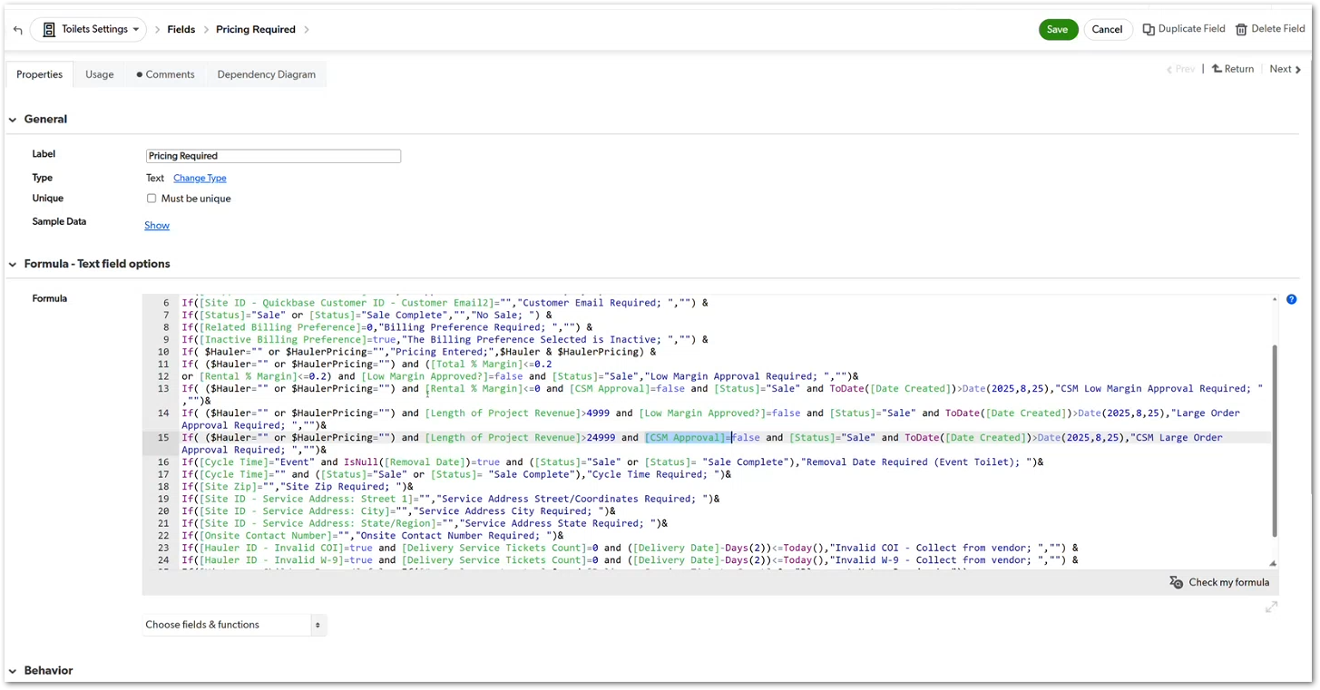 | This story is derived from the discussion explaining the core ZTERS business model, where profitability comes from the margin between customer pricing and hauler pricing, and where configurable approval rules determine when pricing requires oversight. | TBD
CUBE-D3-002 | Core Platform | Workflow Validation | Sales Status Management | Sale Status Validation Rules | Enforce Required Fields When Status Changes to Sale | As an Account Manager (AM), I want the system to require specific pricing and service fields when a service status is marked as Sale, so that all necessary information is completed before the sale is finalized. | When a service record transitions from a quote or estimate to Sale status, the system validates that required pricing and service configuration fields are completed. These validations ensure that operational and financial data is properly recorded before the service proceeds to fulfillment. Required inputs may include delivery pricing, removal pricing, rental protection decisions, and other pricing attributes necessary for order execution. |  | Day 3, Part 1 [0:15:00 – 0:22:00] |  | This requirement is discussed when explaining how converting a quote into a Sale triggers validation rules requiring completion of pricing and service configuration fields before the order can proceed. | TBD
CUBE-D3-003 | Core Platform | Vendor Management | Hauler Assignment | Vendor Selection Validation | Select Eligible Haulers for Service Fulfillment | As an Account Manager (AM), I want the system to display vendor eligibility when selecting a hauler, so that I can assign services only to approved vendors. | When configuring a service in the Toilets module, users must select a hauler responsible for service fulfillment. The system provides a searchable vendor list containing thousands of vendors and displays eligibility indicators that inform users whether a vendor can be used. |  | Day 3, Part 1 [0:26:00 – 0:28:00] | 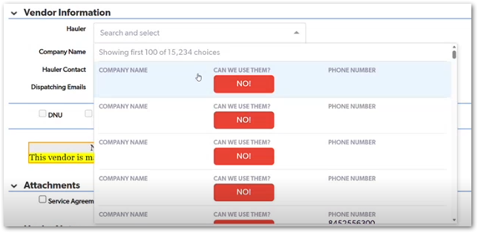 | During the Toilets module walkthrough, Justin explains how vendor selection includes an eligibility indicator (“Can we use them?”) to help users avoid assigning services to vendors that are not approved or usable | TBD
1. The system evaluates prerequisite conditions before allowing service ticket creation.
2️. If required information is missing, the system displays an Error section listing the missing items.
3️. Examples of required prerequisites include:
- Billing Preference configured
- Pricing entered
- Required approvals completed
- Removal date defined
- Placement notes provided
4. Users must resolve all listed issues before creating or dispatching service tickets.
5️. Once all prerequisites are satisfied, the service ticket workflow becomes available.
CUBE-D3-004 | Core Platform | Workflow Validation | Operational Readiness Checks | Service Ticket Prerequisite Validation | Validate Required Conditions Before Creating Service Tickets | As an Account Manager (AM), I want the system to validate required operational and billing conditions before allowing service tickets to be created, so that services are not dispatched with incomplete information. | Before a service ticket can be created or dispatched, the system evaluates a set of operational prerequisites related to billing configuration, pricing, approvals, and service details. If required information is missing, the system displays validation errors and prevents the workflow from progressing until the issues are resolved. |  | Day 3, Part 1 [0:29:00 – 0:35:00] |  | During the Toilets module walkthrough, Justin explains that service tickets cannot be created until required billing, pricing, and operational fields are completed, which are surfaced in the Error validation section of the record. | TBD
1. Dispatch-related actions are removed from individual product/service pages.
2️. Dispatch scheduling and management are handled through the Fulfillment module.
3️. Fulfillment workflows can manage dispatch operations across multiple product types.
4️. Product records retain service configuration data but do not control dispatch execution.
5️. Users access dispatch actions through fulfillment workflows instead of product pages.
CUBE-D3-005 | Core Platform | Workflow Architecture | Fulfillment Workflow Refactor | Move Dispatch Logic to Fulfillment Layer | Relocate Dispatching from Product Records to Fulfillment Module | As an Account Manager (AM), I want dispatching actions to occur at the Fulfillment level instead of the product level, so that service execution is managed through a centralized fulfillment workflow rather than individual product records. | Currently, dispatch-related fields and actions are located within individual product pages (such as the Toilets module). This approach couples operational dispatching with product configuration. The system should move dispatch operations to the Fulfillment layer, where dispatch scheduling and service execution can be managed consistently across all product types |  | Day 3, Part 1 [0:32:00 – 0:35:00] |  | During the workshop discussion, it is proposed that dispatching should no longer exist within product-level pages and instead be handled at the Fulfillment level, separating service execution from product configuration. | TBD
1. Users can create a Fulfillment Ticket from the Fulfillment module.
2️. Users must select a Ticket Type when creating the ticket.
3️. The system dynamically adjusts the ticket form depending on the selected ticket type.
4️. Different ticket types may require different operational fields (for example scheduling, service dates, or request details).
5️. The fulfillment ticket records the operational request and links it to the relevant customer, site, and product.
CUBE-D3-006 | Core Platform | UI/UX | Fulfillment Ticket Workflow | Ticket Type Driven Fulfillment Forms | Adapt Fulfillment Ticket Fields Based on Ticket Type | As an Account Manager (AM), I want the fulfillment ticket form to adjust its fields based on the selected ticket type, so that I can capture the correct operational information for each type of request. | The Fulfillment Ticket module allows users to create operational requests related to service delivery, maintenance, removal, scheduling, or information requests. When creating a fulfillment ticket, users select a Ticket Type that defines the nature of the request. Based on the selected ticket type, the system dynamically displays the relevant fields required to process that request. This ensures that users provide the correct operational details depending on the type of fulfillment action being performed. |  | Day 3, Part 1 [0:36:00 – 0:40:00] | 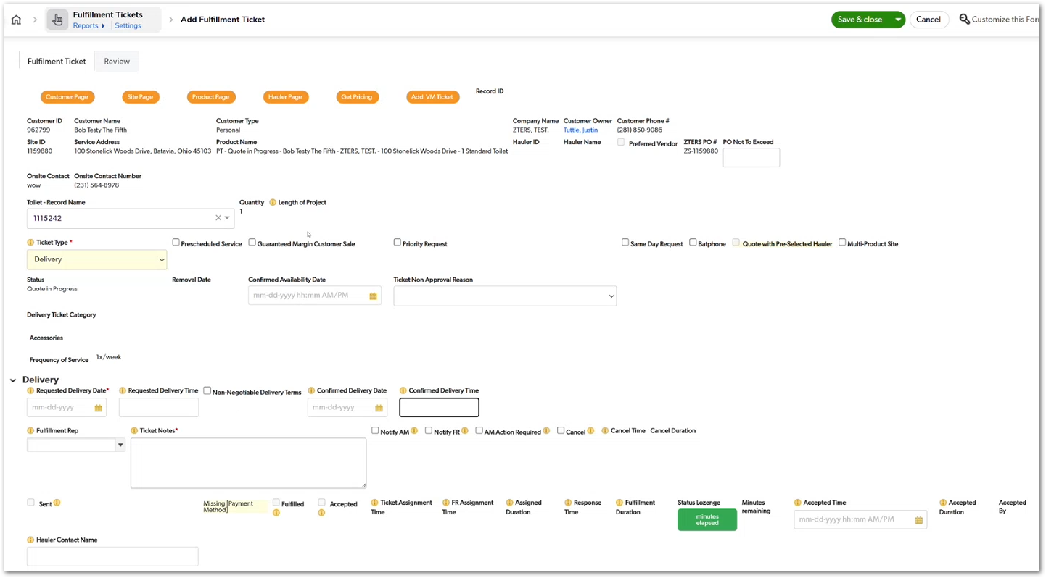 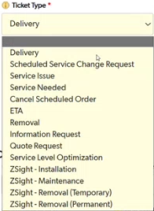 | Fulfillment Tickets support multiple operational request types, and the system dynamically adjusts required fields depending on the selected Ticket Type | TBD
1. Users can enter Requested Delivery Date and Requested Delivery Time when creating a fulfillment ticket.
2. Users can enter Confirmed Delivery Date and Confirmed Delivery Time once the service schedule is finalized.
3. The fulfillment ticket stores cycle information that defines the service frequency for recurring services.
4. System automations calculate future service dates based on the defined service cycle.
5. Automations adjust pricing or service conditions for future cycles when they fall within special periods (e.g., winterization rates).
6. The calculated service dates and cycle pricing remain linked to the fulfillment ticket record.
CUBE-D3-007 | Core Platform | Product Page | Fulfillment Ticket Management | Service Scheduling Configuration | Store Service Cycles and Scheduling Dates in Fulfillment Tickets | As an Account Manager (AM), I want fulfillment tickets to store service cycles and scheduling dates, so that the system accurately reflects when services should occur and how frequently they repeat. | Fulfillment tickets store scheduling information required to execute services. This includes requested service dates, confirmed service dates, and cycle information that determines how frequently a service should occur. These fields allow the system to coordinate service fulfillment according to customer requirements. |  | Day 3, Part 1 [0:35:00 – 0:42:00] | 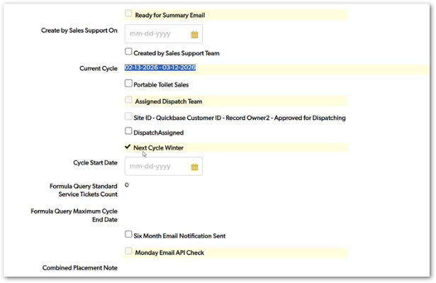 | tickets store service scheduling dates and cycle information to define when services occur and how frequently they repeat. | TBD
1. When an Account Manager changes the Status field to “Sale”, the system triggers a Terms of Service reminder.
2. The reminder appears as a sidebar or pop-up notification within the product page.
3. The reminder displays the Terms of Service content stored in the system.
4. The Account Manager can review the terms before completing the sale.
5. The Terms of Service remain accessible through the Terms of Service tab on the product page.
CUBE-D3-008 | Core Platform | Product Page | Sales Workflow | Terms of Service Confirmation | Trigger Terms of Service Reminder When Marking Sale | As an Account Manager (AM), I want the Terms of Service to automatically appear as a reminder when I mark a service as Sale, so that I remember to read and confirm the terms with the customer before finalizing the order. | When Account Managers complete a sale during a customer call, they are expected to read the Terms of Service to the customer, especially when collecting payment information such as credit card details. Currently, the Terms of Service are available within a tab on the product page, but the system does not actively remind the Account Manager to review them during the sales process. To improve compliance and ensure the terms are communicated consistently, the system should automatically display the Terms of Service as a reminder when the service status is changed to Sale. This reminder would appear as a sidebar or pop-up within the product page. |  | Day 3, Part 1 [0:43:00 – 0:45:00] | 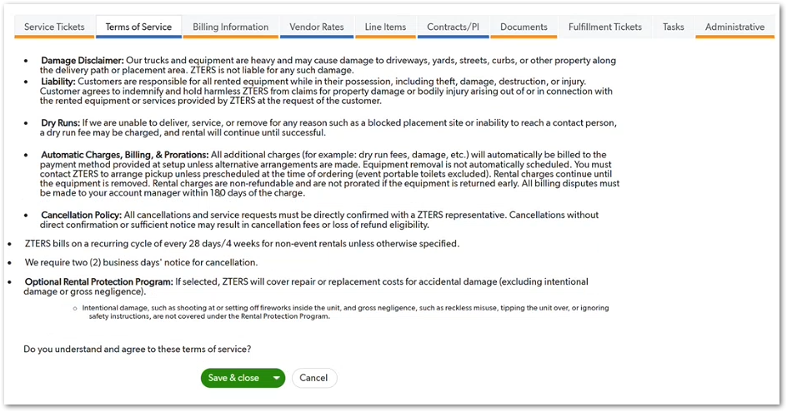 | Account Managers typically read the Terms of Service during the sales call, and suggests adding an automatic reminder when the service is marked as a Sale to ensure the terms are consistently communicated to customers. | TBD
1. The system supports billing preference configuration at the Customer level.
2. The system supports billing preference configuration at the Site level.
3. The system supports billing preference configuration at the Product level.
4. Each level can define a list of available billing preferences.
5. Each level can define a default billing preference.
6. When creating a service or product record, the system applies the appropriate default billing preference based on the hierarchy.
CUBE-D3-009 | Core Platform | Billing Configuration | Billing Preferences Management | Hierarchical Billing Preferences | Support Billing Preferences at Customer, Site, and Product Levels | As an Account Manager (AM), I want billing preferences to be configurable at the customer, site, and product levels, so that billing settings can be tailored to the specific operational context of each service. | Billing preferences determine how services are invoiced and charged within the Cube platform. Currently, billing preferences may be configured at a limited level, but operational scenarios often require more granular control. The system should allow billing preferences to be configured hierarchically at multiple levels, including customer, site, and product. Each level should support a list of available billing preferences as well as a default preference that is automatically applied when creating services. |  | Day 3, Part 1 [0:47:00 – 0:50:00] |  | Billing preferences in Cube should become more granular and hierarchical, allowing configuration and defaults to exist at the customer, site, and product levels. | TBD
1. The product page displays Service Tickets and Fulfillment Tickets in aligned or adjacent tabs.
2. Users can easily navigate between Service Tickets and their related Fulfillment Tickets.
3. The interface clearly shows which Fulfillment Ticket corresponds to a specific Service Ticket.
4. Users can access the fulfillment ticket details directly from the service ticket context.
5. The layout improves visibility without requiring users to navigate to separate modules.
CUBE-D3-010 | Core Platform | UI / UX | Ticket Management Visibility | Link Service Tickets and Fulfillment Tickets | Display Matching Fulfillment Tickets Next to Service Tickets | As an Account Manager (AM), I want the system interface to display Service Tickets and their corresponding Fulfillment Tickets side by side, so that I can easily identify the fulfillment actions associated with each service request. | Service Tickets represent customer service requests related to a product or service, while Fulfillment Tickets represent the operational actions required to complete those requests. Currently, these tickets may be located in separate sections of the interface, making it harder for users to quickly understand their relationship. To improve usability, the system should align Service Tickets and Fulfillment Tickets within the same interface context, allowing users to easily view the operational fulfillment record associated with a service ticket. |  | Day 3, Part 1 [0:55:00 – 0:58:00] | 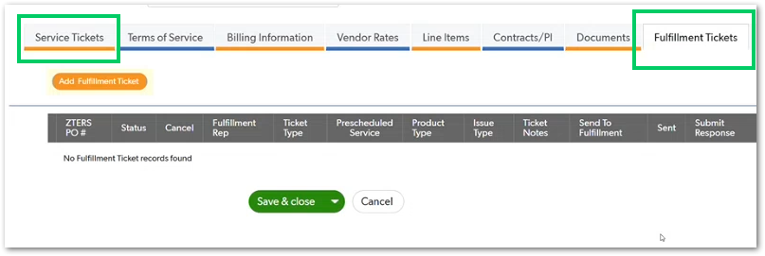 | UI improvement where Service Tickets and Fulfillment Tickets should be visually aligned, allowing users to easily understand the relationship between a service request and its operational fulfillment record. | TBD
1. Users can mark Estimate Given when a preliminary price estimate is provided based on limited information (e.g., zip code).
2. Users can mark Quote Given once a formal quote is provided using complete service details (e.g., full address).
3. Users can mark a service as Ready for ARQ when the quote information is finalized.
4. When a service is marked Ready for ARQ, the Create Quote action becomes available.
5. Selecting Create Quote opens the ARQ Quotes interface where the quote record is created and managed.
1. The AM cannot create/send the formal quote unless the record is marked Ready for ARQ.
2. The system supports the AM marking Quote Given or Estimate Given as a manual selection (as described in the workshop).
3. When creating the quote, the generated quote view must display customer + site info, selected services, and the total/subtotal.
4. The AM can include multiple services (e.g., toilet + dumpster + fencing) in a single quote creation flow.
5. The AM can send the quote to the customer via at least one delivery method discussed (email, and if enabled in the UI, text).
6. The quote delivery screen includes a space for notes to customer / internal notes (as shown in the UI).
7. Once the customer receives the email, they should be able to open it up and see the quoute information in PDF and information in the email.
8. The call to action button in the email should be as big as possible.
CUBE-D3-011 | Core Platform | ARQ | Quote Generation Workflow | ARQ Quote Creation Process | Trigger ARQ Quote Creation from Product Page | As an Account Manager (AM), I want to progress a service from estimate to formal quote and then create the ARQ quote, so that I can generate an official quote for the customer once the required information is available. | During the sales process, Account Managers may initially provide a preliminary price estimate before all service details are known. As additional information becomes available, such as the full service address and finalized pricing details, the quote can progress to a formal stage. The system supports this workflow through the Estimate Given, Quote Given, and Ready for ARQ indicators. Once the service information is complete and marked as Ready for ARQ, the Account Manager can create the official quote in the ARQ system. Selecting Create Quote opens the ARQ quote interface where the quote record is generated and managed. |  | Day 3, Part 1 [0:59:00 – 1:05:00] | 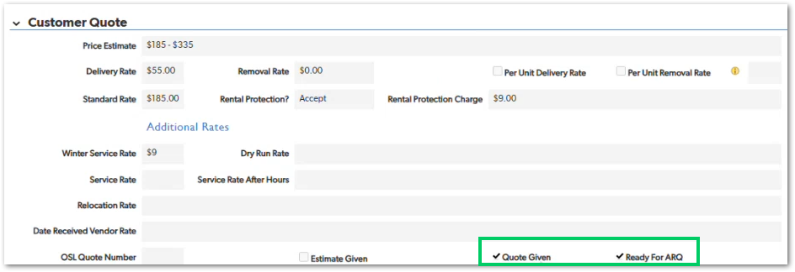 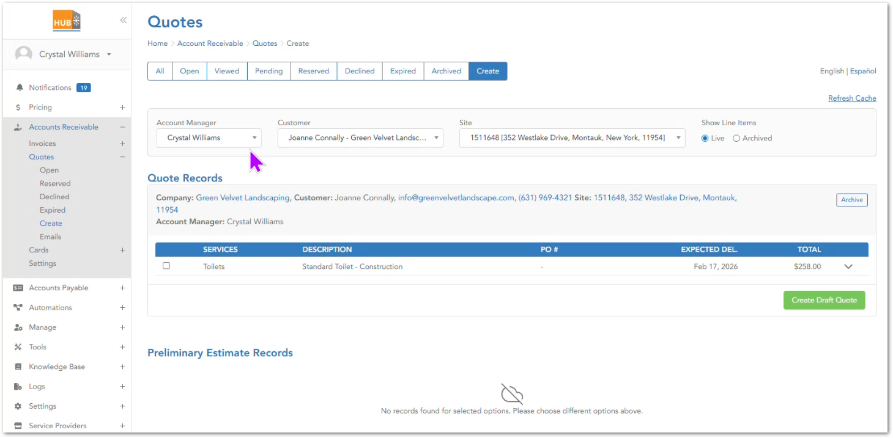 | the Estimate Given, Quote Given, and Ready for ARQ fields represent stages of the quoting workflow, allowing Account Managers to transition from early pricing estimates to the creation of a formal quote within the ARQ system. | TBD
CUBE-D3-012 | Core Platform | ARQ | Quote Creation & Delivery (ARQ) | Create Quote Flow | Create Quote and Deliver to Customer | As an Account Manager (AM), I want to create a formal quote from a drafted quote and send it to the customer, so that the customer receives the complete pricing and service details in a standardized format. | In the ARQ workflow, once a quote is drafted and the AM has indicated the appropriate state (Quote Given vs Estimate Given) and the quote is Ready for ARQ, the AM can proceed to generate the formal quote view and send it to the customer (email/text). The quote should present key information (customer/site/services totals) and support selecting multiple services under one quote. |  | Day 3, Part 1 [0:59:00 – 1:15:00] | 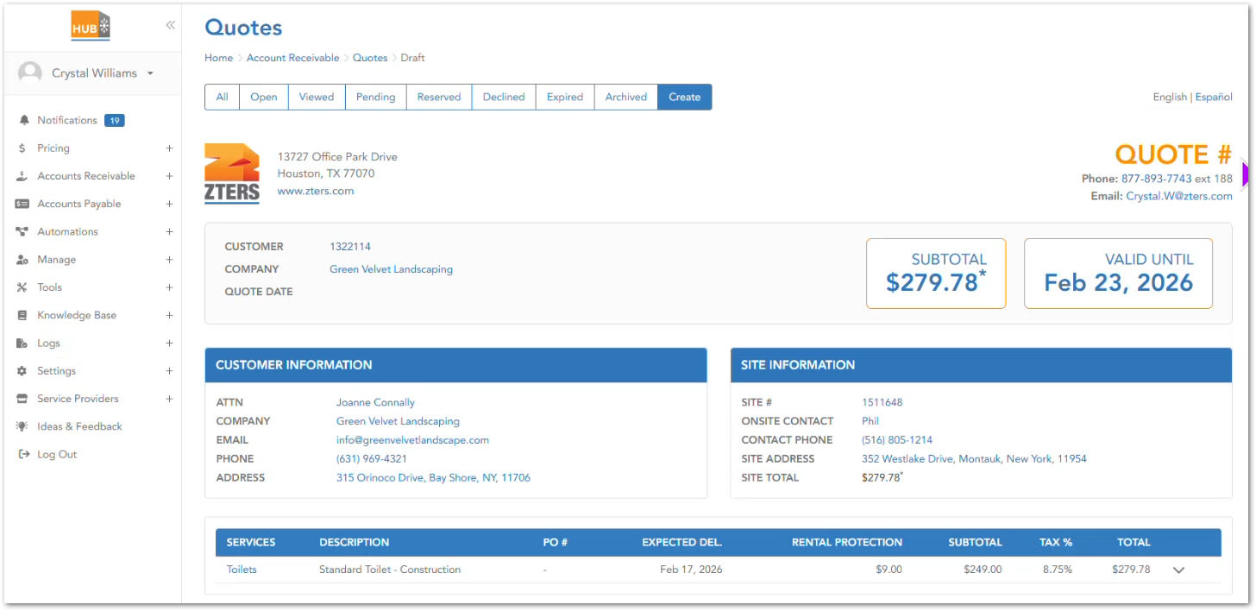 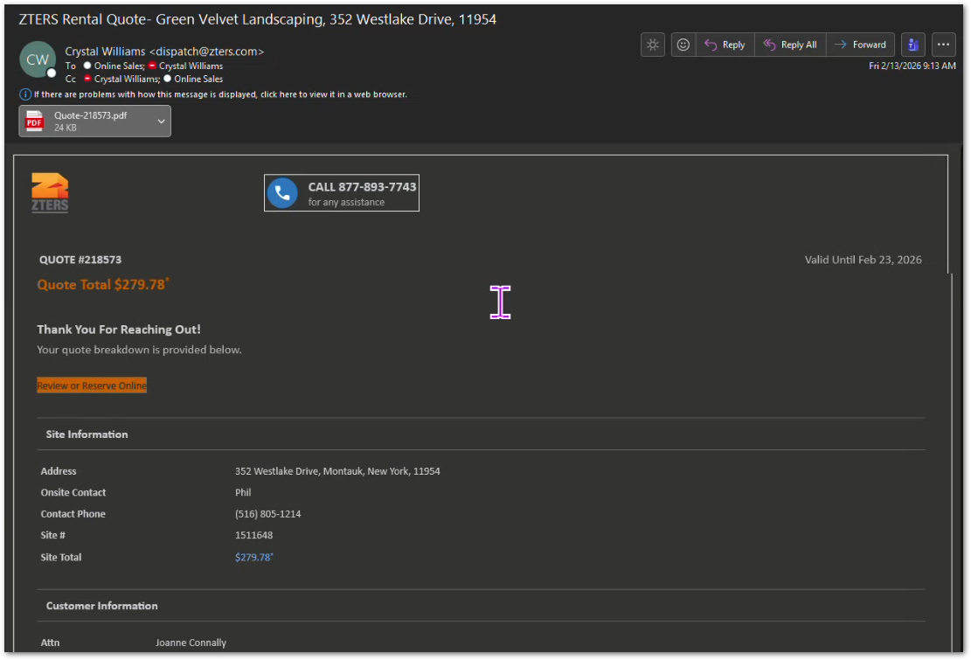 | the “Quote Given / Estimate Given” flags are manual, and Ready for ARQ is the gate to being able to create/send the quote | TBD
1. The Service Information section must allow the AM to select a Category (e.g., Open Top).
2. The AM must be able to select a Product Type representing the container size/type (e.g., RO-10).
3. The AM must be able to select a Debris Type from a predefined list (e.g., Construction, Roofing, Concrete, Dirt, etc.).
4. The AM must be able to enter or select service dates, including delivery and final removal dates.
5. The AM must be able to specify the Length of Project to indicate the expected service duration.
6. The information entered in this section must be stored as part of the Roll-Off quote record.
1. The AM must be able to select a Debris Type from a predefined list (e.g., Construction, Roofing, Concrete, Dirt, Metal, etc.).
2. The system must allow the AM to configure disposal pricing parameters associated with the selected debris.
3. The AM must be able to indicate if a Rebate Expected condition applies to the selected debris.
4. When Rebate Expected is checked, the system must require the AM to select an Expected Rebate Type (e.g., Check).
5. When a rebate scenario is configured, the system must record that ZTERS will reimburse the customer for the value of the material.
6. All debris and rebate configuration values must be saved as part of the roll-off service quote record.
CUBE-D3-013 | Products | Product Page – Roll-Offs | Roll-Off Service Configuration | Roll-Off Quote Setup | Capture Service Information for Roll-Off Services | As an Account Manager (AM), I want to enter service details in the Roll-Off Service Information section when creating a quote, so that the system captures the operational parameters of the roll-off service such as container type, debris type, service dates, and project duration. | Within the Roll-Offs module, the Service Information section allows Account Managers to configure the operational details of a roll-off service during the quoting process. This section includes fields related to the container category, product type, debris type, delivery/removal dates, project duration, and additional service attributes. These fields provide the necessary information for pricing, scheduling, and fulfillment planning when managing roll-off container services. |  | Day 3, Part 1 [1:30:00 – 1:40:00] |  | The Debris Type selection influences the service configuration and pricing inputs for roll-off quotes, as demonstrated in the workshop when navigating the Roll-Off Service Information section. | TBD
CUBE-D3-014 | Products | Product Page – Roll-Offs | Roll-Off Service Configuration | Roll-Off Quote Setup | Configure Debris Types and Disposal Pricing | As an Account Manager (AM), I want to select the debris type for a roll-off service and configure the associated disposal pricing, so that the quote reflects the correct disposal costs based on the type of material being removed. | Within the Roll-Offs module, the Debris Type field allows the Account Manager to identify the type of material being disposed of (e.g., construction, roofing, concrete, trash, dirt, etc.). The selected debris type is used in conjunction with disposal pricing fields within the Customer Quote section, where the AM can specify: -Tons included -Disposal rate -Disposal type (e.g., per ton) These values determine how disposal costs are calculated as part of the overall service quote for roll-off containers. |  | Day 3, Part 1 [1:30:00 – 1:40:00] | 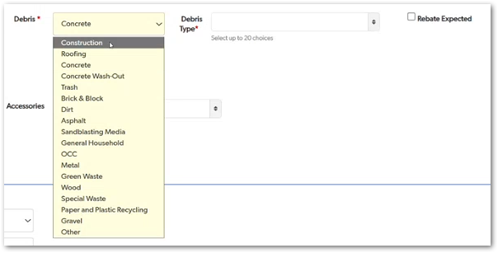 | The rebate scenario applies to materials where the disposed material has recoverable value, resulting in a credit or reimbursement to the customer rather than a disposal charge. | TBD
1. The Customer Quote section must include a Days Included field representing the number of rental days included in the base quote.
2. The system must allow configuration of Rental Rate and Rental Interval (e.g., Daily).
3. The roll-off rental model must not use recurring service cycles, unlike other product modules.
4. The system must calculate rental duration based on the number of days the container remains on site.
5. The configured Days Included value must be saved as part of the roll-off quote record and used in pricing calculations.
CUBE-D3-015 | Products | Product Page – Roll-Offs | Roll-Off Service Configuration | Roll-Off Quote Setup | Track Rental Duration Using Days Counter | As an Account Manager (AM), I want the system to calculate roll-off rental pricing based on the number of rental days instead of recurring service cycles, so that pricing reflects how long the container remains at the customer’s site. | Unlike other ZTERS products (such as portable toilets) that may use service cycles, roll-off containers are rented for a number of days. The system must track rental duration using a Days Included counter within the Customer Quote section. The quote defines how many days are included in the base rental and the associated rental rate and interval. If the container remains on site beyond the included days, additional rental charges may apply based on the configured pricing rules. This structure ensures that roll-off services are priced according to duration of use rather than scheduled service cycles. |  | Day 3, Part 1 [1:40:00 – 1:55:00] |  | Roll-off services use a duration-based rental model, where pricing depends on the number of days the container is kept at the site rather than a recurring service cycle. | TBD
1. The Vendor Rates tab must allow the AM to configure hauler pricing values including standard rate, rental rate, delivery rate, disposal rate, and rental interval.
2. The system must display customer charge vs hauler charge to allow margin comparison.
3. The system must calculate and display the margin amount and margin percentage based on customer and vendor rates.
4. The system must allow the AM to optionally apply the Suggested Price to the customer quote.
5. All vendor pricing values must be stored as part of the roll-off service record.
CUBE-D3-016 | Products | Product Page – Roll-Offs | Vendor Pricing & Margin Management | Roll-Off Quote Setup | Manage Vendor Rates and Margin Calculations | As an Account Manager (AM), I want to view and configure vendor (hauler) rates within the Vendor Rates tab, so that the system can calculate margins and suggest appropriate customer pricing for the roll-off service. | Within the Roll-Off product page, the Vendor Rates tab allows the Account Manager to configure the pricing received from the hauler (vendor) that will perform the service. The system compares the vendor rates with the customer quote values and calculates the resulting margin and margin percentage. The system may also generate a suggested price, which the AM can optionally apply to the quote. This enables ZTERS to ensure that the difference between customer charge and hauler charge produces an acceptable margin before the service is confirmed. The Vendor Rates section includes fields related to hauler pricing components such as standard rate, delivery rate, rental rate, disposal rate, rental interval, and included tonnage. |  | Day 3, Part 1 [1:40:00 – 1:50:00] | 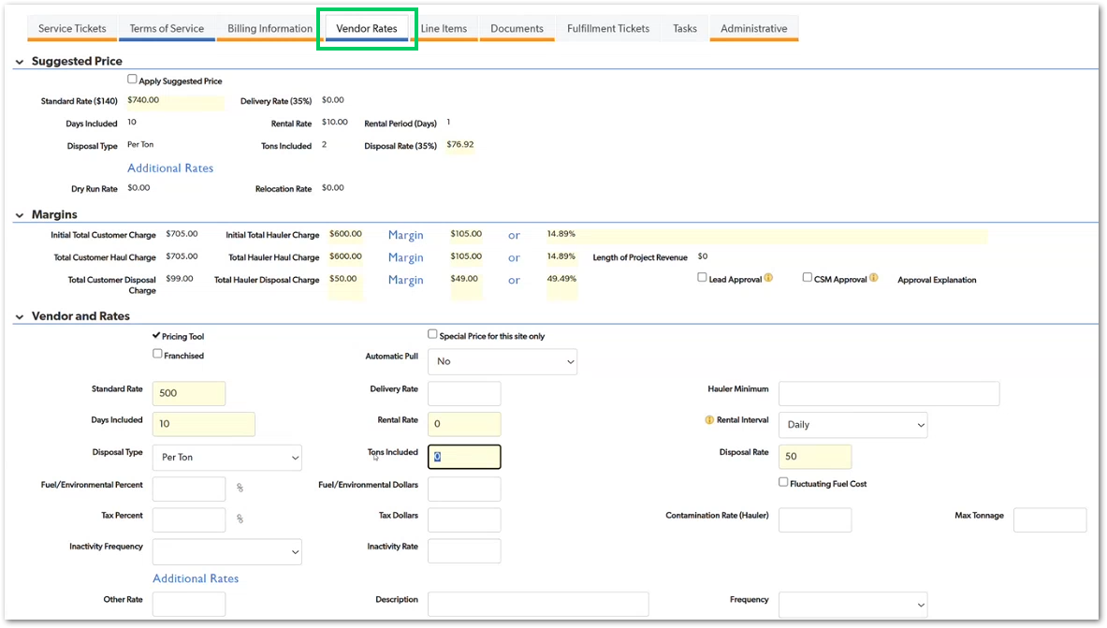 | The Vendor Rates tab supports ZTERS’s pricing model, where profitability depends on the difference between what the customer pays and what the hauler charges for the service. | TBD
1. The system must allow the AM to configure container service details in the Service Information section.
2. The AM must be able to select a Container Category (e.g., Storage).
3. The AM must be able to select a Product Type representing the container size/type (e.g., 20 ft container).
4. The AM must be able to specify Quantity and Length of Project for the container rental.
5. The AM must be able to define Delivery Date and Removal Date for the container service.
6. The system must allow optional Accessories (e.g., locking hardware) to be associated with the container.
7. All configured values must be stored as part of the container service record.
CUBE-D3-017 | Products | Product Page – Containers | Container Service Configuration | Container Quote Setup | Capture Container Service Information | As an Account Manager (AM), I want to configure service details for storage containers within the Containers module, so that container rentals can be properly quoted and tracked for customer projects. | Within the Containers module, the Service Information section allows the Account Manager to configure the operational details of a storage container rental. These fields capture information about the container type, quantity, accessories, delivery schedule, and project duration. This configuration defines how the container service will be delivered to the customer and determines the pricing structure applied in the Customer Quote section. |  | Day 3, Part 1 [2:06:00 – 2:10:00] |  | The Containers module is used for storage container rentals, which differ from waste containers (Roll-Offs) but follow a similar configuration structure within the product page. | TBD
1. The Service Information section must allow the AM to specify the length of fencing required.
2. The AM must be able to specify the height of the fence, which contributes to the total fencing configuration.
3. The system must allow selection of fencing type (e.g., chain link).
4. The AM must be able to add accessories such as sandbags, windscreens, barbed wire, or wheels.
5. The system must support service cycles for fencing rentals.
6. The system must support partial removals, allowing sections of fencing to be removed before the project ends.
7. The system must support prevailing wages, allowing additional charges depending the fencing type in terms of governmental, city, school, etc.
8. All configured fencing parameters must be stored as part of the fencing service record.
CUBE-D3-018 | Products | Product Page – Fencing | Fencing Service Configuration | Fencing Quote Setup | Capture Fencing Dimensions, Accessories, and Service Cycles | As an Account Manager (AM), I want to configure fencing service details including dimensions, accessories, and project cycles, so that the system can correctly calculate pricing and manage fencing installations that may change during the project. | Within the Fencing module, the Service Information section allows the Account Manager to configure the parameters required to quote and manage a fencing installation. Unlike simpler services, fencing installations involve dimensional inputs and operational adjustments over time. The system must capture length and height of the fence, which determine the total fencing required. Accessories such as sandbags, windscreens, barbed wire, or wheels may also be included depending on the installation requirements. Fencing services also operate on billing cycles and may involve partial removals during the project, meaning that portions of the installed fencing can be removed before the full project ends. These operational factors require additional calculations to determine service pricing and duration |  | 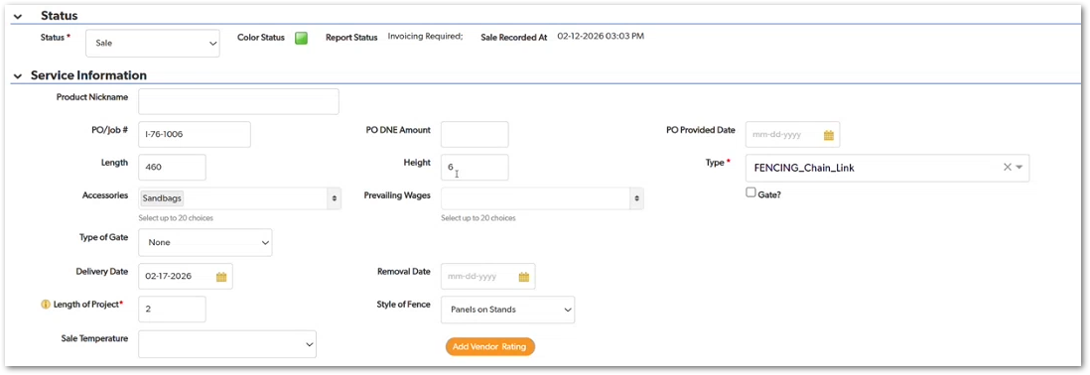 Day 3, Part 1 [2:10:00 – 2:15:00] | 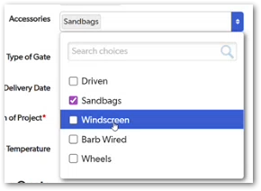 | Fencing services require dimension-based calculations and operational flexibility, since installations can change during the project through accessory additions or partial fence removals. | TBD
1. The system must allow Account Managers to record follow-up activities related to fencing installations.
2. Follow-ups must be associated with the specific fencing service record.
3. The follow-up mechanism must allow the AM to track customer communication or site condition updates.
4. Follow-up actions must be visible within the fencing service record for future reference.
CUBE-D3-019 | Products | Product Page – Fencing | Fencing Service Management | Fencing Quote and Service Lifecycle | Track Follow-Up Activities for Fencing Services | As an Account Manager (AM), I want the system to support follow-up tracking for fencing installations, so that I can verify the condition of the fencing and address potential damage or service issues during the project. | During the workshop discussion of the Fencing module, it was noted that fencing installations often require post-installation follow-up because fences can be damaged, moved, or modified while on site. As a result, Account Managers frequently need to check in with the customer after delivery to confirm the installation is still in good condition. The system should support the ability to track or initiate follow-up actions related to fencing services, allowing Account Managers to maintain service quality and address issues that may arise during the rental period. |  | Day 3, Part 1 [2:18:00 – 2:22:00] | 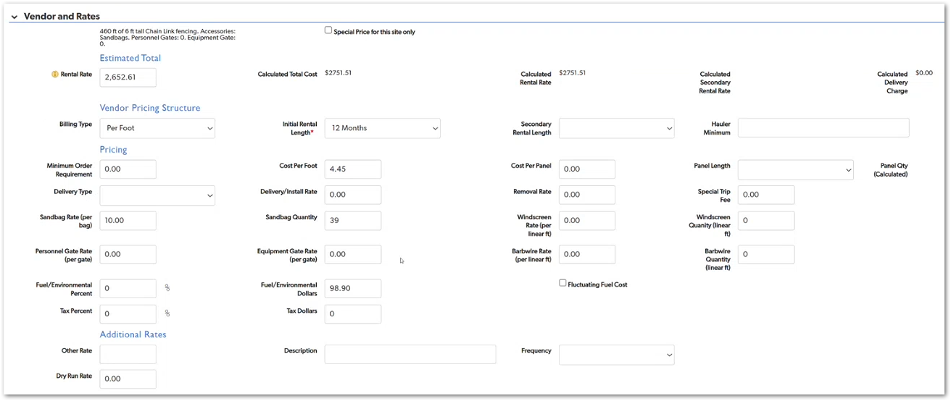 | Fencing installations often require follow-up because panels can be damaged, moved, or altered during the project, making periodic checks an important part of service management. | TBD
1. The system must calculate vendor pricing for fencing services based on configuration inputs such as panel length and project dimensions.
2. The system must display calculated values, including estimated total cost and calculated rental rate.
3. The system must allow configuration of vendor pricing parameters such as billing type, initial rental length, delivery/install rate, and fuel/environmental charges.
4. The system must support calculation of panel quantity based on fence dimensions and panel size.
5. The calculated vendor pricing must be used to determine the total vendor cost and margin against the customer quote.
CUBE-D3-020 | Products | Product Page – Fencing | Fencing Vendor Pricing | Fencing Quote Setup | Improve Vendor Rate Calculations for Fencing Services | As an Account Manager (AM), I want the system to automatically calculate fencing vendor costs based on installation parameters, so that I do not have to manually determine complex pricing inputs when creating fencing quotes. | Within the Fencing module, the Vendor and Rates section determines the vendor (hauler) cost structure used to calculate service pricing and margins. Unlike other products, fencing pricing involves multiple operational variables such as panel length, number of panels, installation labor, rental duration, and transportation costs. During the workshop discussion, it was noted that this section currently requires significant manual input and interpretation. Improvements are needed so the system can better support the calculation of fencing vendor pricing by using the service configuration (such as fence dimensions and project length) to derive pricing values. |  | Day 3, Part 1 [2:30:00 – 2:35:00] |  | Fencing services involve dimension-based pricing and installation logistics, making automated calculation of vendor rates critical to simplifying the quoting process for Account Managers. | TBD
1. Cube must allow Account Managers to create and manage Front Load service records within the Front Loads module.
2. The system must support capturing special pricing conditions, including overage charges and contamination margins.
3. The system must allow integration with external pricing systems (AWS) that handle most of the pricing calculations.
4. Cube must store the service configuration and pricing indicators even when the pricing logic is handled externally.
CUBE-D3-021 | Products | Product Page – Front Loads | Front Load Service Management | Front Load Quote Setup | Integrate Front Load Pricing with External System | As an Account Manager (AM), I want Cube to capture Front Load service information while relying on external pricing systems, so that Front Load services can be managed without requiring all pricing logic to be calculated directly in Cube. | Cube must still support the ability to record the Front Load service configuration and special pricing elements, including overage charges and contamination-related margins. These values influence the final pricing structure but are primarily determined by the external system. The Cube interface therefore acts as a record and coordination layer, allowing Account Managers to manage the service record while relying on the external system for detailed pricing calculations. |  | Day 3, Part 1 [2:46:00 – 2:55:00] | 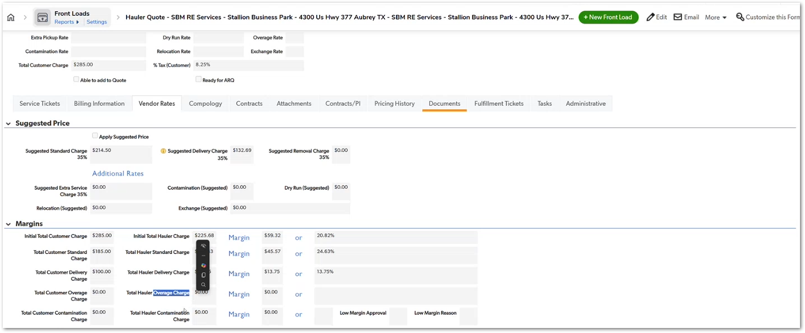 | Front Load services rely on external pricing logic managed through CWS systems, with Cube serving primarily as the service management and record interface for Account Managers. | TBD
1. The system must allow Account Managers to create equipment rental service records within the Equipment Rentals module.
2. The system must store customer and site information associated with the equipment rental.
3. The system must support tracking of the delivery event for the equipment.
4. The system must support rental cycles during the equipment rental period.
5. The system must support removal or pickup events when the equipment rental ends.
6. All equipment rental lifecycle events must be stored as part of the equipment rental record.
CUBE-D3-022 | Products | Product Page – Other Services | Equipment Rental Service Management | Equipment Rental Quote Setup | Configure Equipment Rental Service Information | As an Account Manager (AM), I want to manage equipment rental services within the Equipment Rentals module, so that I can track delivery, rental cycles, and removal events for rented equipment. | The Equipment Rentals module allows Account Managers to create and manage service records for equipment rented to customers, such as telehandlers or other construction equipment. Within this module, the system must support the lifecycle of the equipment rental, including: - Equipment delivery to the job site - Rental cycle management during the project - Removal or pickup of the equipment once the rental period ends The module also stores the customer and site information associated with the rental, allowing Account Managers to manage equipment rentals similarly to other ZTERS services while accommodating the operational requirements specific to equipment. |  | Day 3, Part 1 [2:50:00 – 2:56:00] | 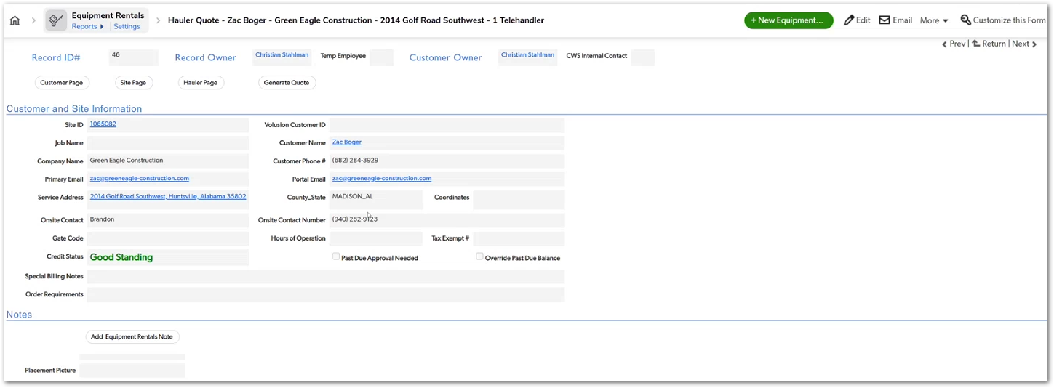 | Equipment rentals follow a delivery → rental cycle → removal lifecycle, similar to other rental-based services managed in Cube, but applied to construction equipment rather than containers or waste services. | TBD
1. The system must allow Account Managers to create service records within the Other Services module.
2. The system must allow configuration of service frequency, even though most services are expected to be one-time events.
3. The system must support services that are typically performed for a single day.
4. The module must allow services that do not belong to other product categories to still be quoted and managed within Cube.
5. The service record must be stored and associated with the customer and site information.
CUBE-D3-023 | Products | Product Page – Equipment Rental | Miscellaneous Service Management | Other Services Quote Setup | Configure One-Time Service Operations | As an Account Manager (AM), I want to create service records for miscellaneous operational services, so that services such as generator hookups, electrical work, or other job-site support tasks can be managed within Cube even if they do not belong to a standard product category. | The Other Services module is designed to support services that fall outside the primary ZTERS product offerings. These services are typically short-term operational tasks performed at the job site, such as generator hookups, electricians, or other temporary support services. Unlike recurring rental-based products, most services in this module are one-time services, commonly performed within a single day. While the system supports defining a service frequency, the expected use case is primarily one-time service execution. This module ensures that these operational services can still be tracked, quoted, and managed within Cube, even though they do not follow the operational patterns of the other product modules. |  | Day 3, Part 1 [2:56:00 – 2:59:00] | 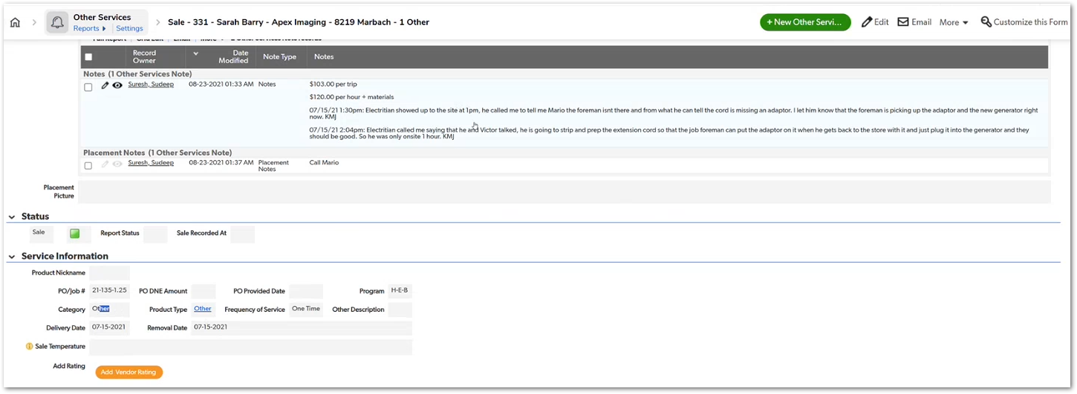 | The Other Services module acts as a flexible category for operational services that do not fit into the standard ZTERS product offerings and are usually one-time, short-duration activities. | TBD
1. The system must allow Account Managers to create service records in the Perm Roll-Off / Compactor module.
2. The service must represent long-term or permanent waste container installations at the customer site.
3. The system must support ongoing service operations rather than a fixed project duration.
4. The service record must be associated with customer and site information, including location and operational notes.
5. The system must allow Account Managers to manage the service lifecycle even though the container remains at the site indefinitely.
CUBE-D3-024 | Products | Product Page – Perm-Roll-Offs/Compactors | Permanent Waste Service Management | Permanent Roll-Off Quote Setup | Configure Permanent Roll-Off Services | As an Account Manager (AM), I want to manage permanent roll-off and compactor services within Cube, so that long-term waste container services can be configured and tracked even though they do not follow the temporary project model used by standard roll-offs. | The Perm Roll-Off / Compactor module supports waste container services that remain permanently installed at the customer’s location, typically for ongoing commercial operations. During the workshop discussion, Justin explains that this module behaves as a combination of temporary roll-offs and recurring services. Like roll-offs, the service involves a waste container placed at the site. However, unlike temporary roll-offs, the container does not have a fixed project duration and is intended to remain at the site indefinitely. |  | Day 3, Part 1 [3:00:00 – 3:10:00] | 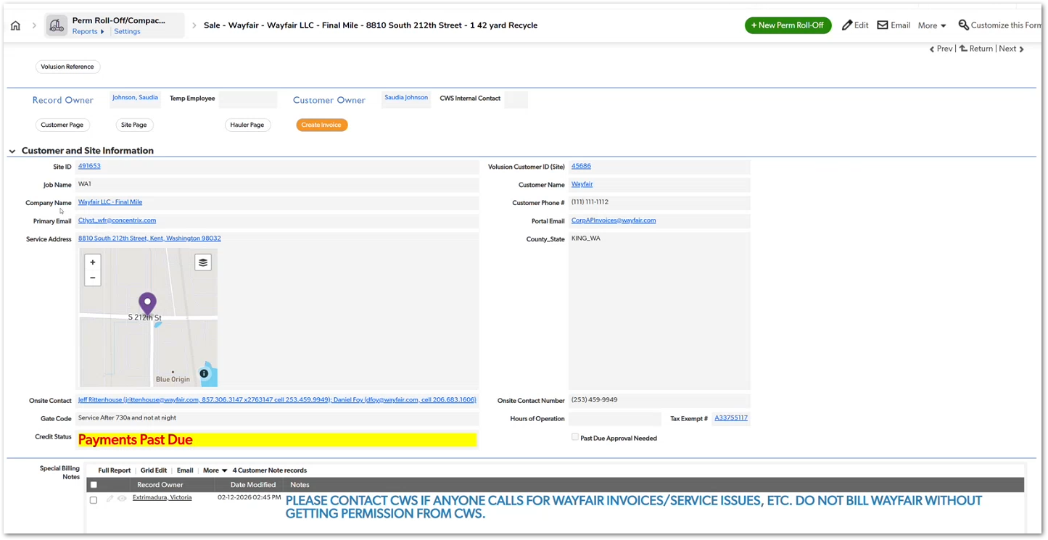 | Permanent roll-offs and compactors represent long-term waste management services, combining aspects of temporary roll-offs (container service) and recurring operational services (ongoing pickups and servicing). | TBD
1. The system must allow Account Managers to access reports identifying products requiring follow-up actions.
2. The system must support identifying services requiring automatic pulls.
3. The system must support identifying services with prescheduled removals.
4. These follow-up reports must be accessible from the product page reporting interface.
5. The system must allow Account Managers to track and review services needing operational follow-up.
1. Users must be able to modify filters on existing Auto Pull follow-up reports.
2. Users must be able to adjust Auto Pull date thresholds (e.g., 3 days, 5 days, 10 days).
Personal Report Creation
3. Users must be able to save customized reports as personal reports.
4. Personal reports must not modify the original shared report.
Visibility Controls
5. Users must be able to define report visibility settings, including:
- Only me
- Role-based visibility
- Shared reports.
Report Storage
6. Personal reports must appear under a Personal Reports / Mine section.
Temporary Reports
7. Reports generated without saving should be treated as temporary reports and may expire after a defined period.
CUBE-D3-025 | Core Platform | Product Page | Service Lifecycle Tracking | Product Follow-Up Monitoring | Track Automatic Pulls and Prescheduled Removals | As an Account Manager (AM), I want to track products that require automatic pulls or prescheduled removals, so that I can proactively follow up on services that need operational action. | During the workshop discussion, Crystal mentioned the need for a way to monitor products that require follow-up actions, particularly services that will eventually need container pulls or scheduled removals. To support this workflow, the system should allow Account Managers to access reports or filters that identify services requiring these operational follow-ups. These reports help Account Managers maintain visibility into products that need attention and ensure that service removals or pulls are scheduled appropriately. - Automatic Pulls to Follow Up On - Prescheduled Removals and Automatic Follow-Up |  | Day 3, Part 1 [3:30:00 – 3:37:00] | 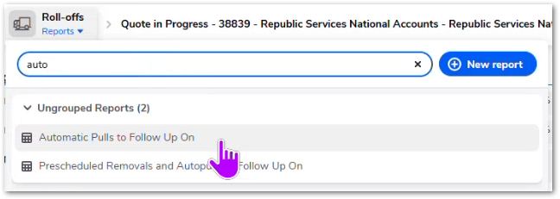 | This functionality helps Account Managers maintain visibility over services that require future operational actions, ensuring that product removals and pulls are properly managed. | TBD
CUBE-D3-026 | Core Platform | Product Page | Service Lifecycle Tracking | Product Monitoring & Reporting | Customize Automatic Pull Follow-Up Reports | As an Account Manager, I want to customize Automatic Pull follow-up reports, so that I can track upcoming container pulls based on my own preferred timing and workflow without affecting reports used by other users. | users can adjust report filters using the report builder, removing or modifying the 3-day threshold condition. Users can then save a personalized version of the report (e.g., tracking pulls 10 days in advance) without altering the default report used by others. The customized report can be: - Saved as a personal report - Visible only to the user - Stored under a personal report section - Generated using configurable filters such as: - Auto Pull Date threshold - Status -Removal conditions -Service dates This functionality allows users to adapt operational follow-up monitoring to their own workflows while preserving shared system reports. |  | Day 3, Part 2 [0:04:00 – 0:07:00] | 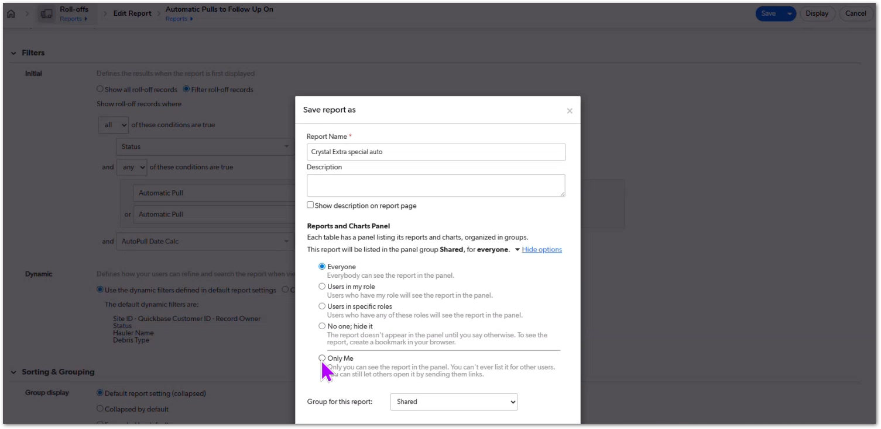 | The current Quickbase system distinguishes between temporary reports and saved personal reports, with temporary reports cached for a limited time before expiring. | TBD
Declined Payment Handling
1. If a credit card payment declines, the invoice must not be counted as revenue.
2. If a credit is applied to cancel an invoice that was never successfully paid, the credit must not subtract from revenue totals.
Payment Date Logic
3. Monthly reports must use the most recent successful payment transaction date instead of the invoice creation date.
Report Accuracy
4. The AM Monthly Invoice Report must correctly calculate totals when:
- payments decline
- payments succeed after retry
- credits are applied.
Financial Integrity
5. The final reported value must always reflect actual collected revenue, not attempted transactions.
CUBE-D3-027 | Core Platform | Financial Reporting / Product Page | Financial Reporting Credit Card Charges | Credit Card Decline Issue for Ams | Correct Invoice Reporting for Declined Credit Card Payments | As an Account Manager, I want the monthly invoice report to correctly reflect credit card declines and successful payment dates, so that my monthly totals accurately represent the revenue that was actually collected. | When a credit card transaction declines, the invoice may later receive either: - a credit adjustment, or - a successful payment retry However, the reporting logic currently calculates totals using the invoice creation date, which causes incorrect monthly totals. This results in two issues: - Declined payments that receive credits create a negative value in reports, even though no payment was ever processed. - Payments that succeed later are attributed to the original invoice date rather than the payment date, causing the revenue to appear in the wrong month. The system should instead use the most recent successful transaction date to determine the correct reporting period and ensure that declined payments do not affect revenue totals. |  | Day 3, Part 2 [0:08:00 – 0:11:00] | 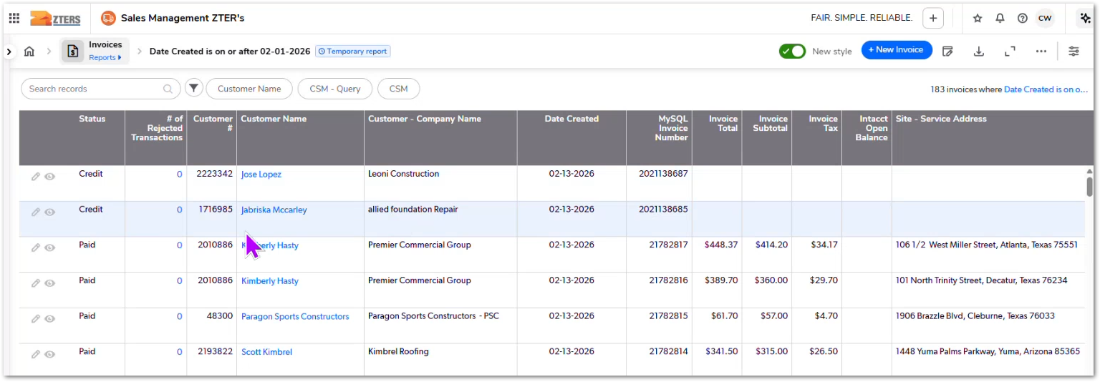 | This is an improvement | TBD
1. The system must display an interactive map for the service address.
2. Users must be able to toggle between:
- Street View
- Satellite View
- Standard map view.
Measurement Tools
3. Users must be able to measure distances directly on the map.
4. Users must be able to measure areas or site boundaries when planning installations.
Site Planning
5. Users must be able to inspect the layout of driveways, access paths, and terrain.
Product Integration
6. The map and measurement tools must be accessible from the Site Page and usable across multiple product types.
Data Integration
7. The map must automatically load using the service address stored in the site record.
CUBE-D3-028 | Core Platform | Product Page / Site Page | Site Intelligence & Planning | Integrate Satellite View and Measurement Tools for Site Planning | Including a Measuring Tool into CUBE for site planning | As an Account Manager, I want to view satellite imagery, street view, and measurement tools directly from the site page, so that I can evaluate site conditions and determine whether equipment such as dumpsters or fencing can be placed at the location without leaving the system. | Currently, users must open Google Maps separately, switch to satellite view, and use measurement tools to estimate distances such as driveway width or available placement area. Embedding these tools directly into the platform would streamline the workflow and reduce context switching. The system should allow users to: - View Street View of the service address - View Satellite imagery of the site - Use distance and area measurement tools - Inspect driveways, terrain, and site layout before scheduling equipment delivery This capability would support planning for several product types including: - Roll-off dumpsters - Fencing installations - Equipment rentals - Portable toilets The measurement functionality should be accessible from the Site Page, making it reusable across all products associated with the site. |  | Day 3, Part 2 [0:20:00 – 0:24:00] | NOT PROVIDED | This is an improvement | TBD

